Sheet1
BUCK (Step Down)
Typical Applications | Used when output is always lower than the input and small size is needed | The Transfer Function of a Buck Converter:
 |  | (VOUT+VF)/(VIN-VRDSon) = D
Advantages | High efficiency especially if the Schottky diode is replaced by a synchronous switch.
 |  | Requirements: | Fill in shaded regions:
 | Low switch stress equal to the input voltage plus the forward voltage of the diode. | The output voltage of the converter: | VOUT = | 12 | V
 |  | The input voltage of the converter: | VIN = | 17.5 | V
 | Low output ripple means a relatively small output filter. | The nominal output current: | IOUT = | 0.1 | A
Disadvantages | Only one output. | Output power of the converter: | POUT = | 1.2 | W
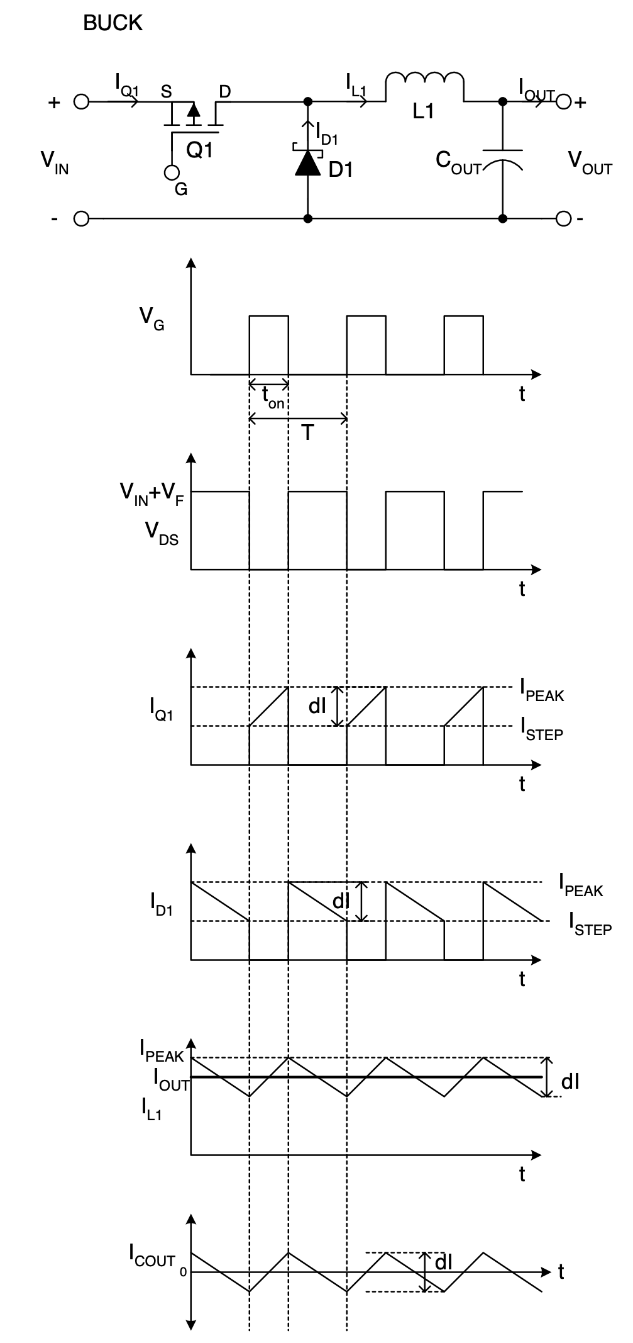
 | Non-isolated. | The minimum output current: | IOUTMIN = | 0.01 | A, assumed to be 10% of IOUT
 | Large EMI filter for high input ripple current due to input current always being discontinuous even though the inductor current can be either continuous or discontinuous. | The switching frequency of the converter: | fSW = | 375 | kHz
 |  | Maximum allowable peak-to-peak ripple: | Vpp_ripple= | 0.12 | V, assumed to be 1% of VOUT
 |  | Forward voltage drop across diode: | VF = | 0.25 | V
 | Requires a high-side switch drive. | RDSon of switch at operating point: | RDSon = | 0.1 | Ω
 |  | Voltage drop across RDSon: | VRDSon = | 0.01 | V
 |  | Conduction losses of switch: | PCOND = | 0.001 | W
 |  | Duty Cycle: | D = | 0.700

 |  | Switching Period: | T = | 2.6666666667 | μs
 |  | On-time of the switch: | tON = | 1.868 | μs

 |  | The minimum inductor value is calculated assuming the minimum output current is equal to 10% of the nominal current. The inductor is sized such that the converter will remain in the continuous current mode through this range.

 |  | Minimum inductor value: | L = | 512.69296741 | μΗ
 |  | Inductor stored energy: | E = | 3.1017924528 | μJ

 |  | The drain current waveform is a ramp on a step. The value of the current at the center of the ramp is equal to the output DC current. The peak inductor current is equal to the output current added to half the peak to peak ripple.

 |  | Peak-to-peak ripple current: | IppRIPPLE = | 0.02 | A
 |  | Peak switch current: | IPEAK = | 0.11 | Α
 |  | RMS current: | IRMS = | 0.084 | Α

 |  | A Schottky rectifier is chosen because of its low forward voltage, VF, and its excellent reverse recovery characteristics. Replacing this diode with a FET and using synchronous rectification will give even more efficiency benefits. This rectifier must meet the following criteria:

 |  | DC blocking voltage: | VR = | 17.5 | V
 |  | Average rectified output current: | IAVE = | 0.030 | A

 |  | The switch must be selected to meet the above current requirements. The major Drain to Source voltage stress occurs at switch turn-off when the Source could possibly ring up to 5V below ground.

 |  | Minimum rated Drain to Source voltage: | VDS = | 22.75 | V

 |  | The output capacitor is chosen such that it provides significant filtering of the switching ripple. The selected capacitor must be large enough so that its impedance is much smaller than the load at the switching frequency, allowing most of the ripple current to flow through the capacitor, not the load. The ripple current flowing through the output capacitor is equal to the inductor current waveform with the dc component removed. The output capacitor's ESR must also be taken into account because this parasitic resistance, which is out of phase with its capacitance, will cause additional voltage ripple. Be sure to select capacitors based upon their maximum ripple current and ESR ratings at the temperature and frequency of the application.

 |  | Output capacitor RMS ripple current: | IRMScap = | 0.006 | A
 |  | Minimum output capacitance: | COUT = | 0.06 | μF
 |  | Chances are, a bank of capacitors will be required to handle the output ripple current. This capacitance will have an ESR associated with it:

 |  | Total capacitance of output bank used: | COUTbank = | 82 | μF
 |  | Maximum ESR required: | ESRMAX = | 5.999998623 | Ω
 |  | Actual ESR of output capacitor bank used: | ESR = | 0.015 | Ω
 |  | Peak-to-peak voltage ripple due to output capacitance: | VPPcap = | 0.000 | V

 |  | Peak-to-peak voltage ripple due to output ESR: | VPPESR = | 0.000 | V

 |  | Resultant total peak-to-peak output voltage ripple: | VPPtotal = | 0.000 | V

 |  | The same logic is applied when selecting the input capacitor. This capacitor, or bank of capacitors, will experience very high ripple current; the same current that is at the switch drain. An acceptable level of input voltage ripple which would still maintain regulation is assumed to be 5%.

 |  | Input capacitor RMS ripple current: | IRMS = | 0.084 | Α
 |  | Acceptable input voltage ripple: | VrippleIN = | 0.875 | V, assumed to be 5% of VIN
 |  | Minimum input capacitance: | CIN = | 0.041904761905 | μF
 |  | Total capacitance of input bank used: | CINbank = | 47 | μF
 |  | Maximum ESR required: | ESRMAX = | 7.9545422929 | Ω
 |  | Actual ESR of input capacitor bank used: | ESR = | 0.1 | Ω
 |  | Peak-to-peak voltage ripple due to input capacitance: | VPPcap = | 0.001 | V

 |  | Peak-to-peak voltage ripple due to input ESR: | VPPESR = | 0.011 | V

 |  | Resultant total peak-to-peak input voltage ripple: | VPPtotal = | 0.011 | V

